Year Month Sales
Total Sales
Year | Month | TotalSales($)
2021 | January | 12,245.45
 | February | 29.95
 | March | 11,553.05
 | April | 24,500.00
 | May | 16,458.30
 | June | 16,939.70
 | July | 24,588.85
 | August | 27,298.25
 | September | 23,846.20
 | October | 34,787.50
 | November | 92,606.45
 | December | 119,661.50
2022 | January | 25,847.20
 | February | 16,595.80
 | March | 13,423.60
 | April | 15,105.70
 | May | 44,968.95
 | June | 41,624.45
 | July | 29,849.70
 | August | 36,167.00
 | September | 35,967.50
 | October | 12,572.55
 | November | 106,143.85
 | December | 107,911.00
2023 | January | 19,871.10
 | February | 32,969.70
 | March | 14,772.95
 | April | 47,650.50
 | May | 19,585.00
 | June | 5,914.35
 | July | 31,612.80
 | August | 36,882.90
 | September | 49,449.30
 | October | 80,379.85
 | November | 124,052.70
 | December | 117,306.15
2024 |  | 605,682.25
Grand Total |  | 2,076,822.05

Region Year Sales
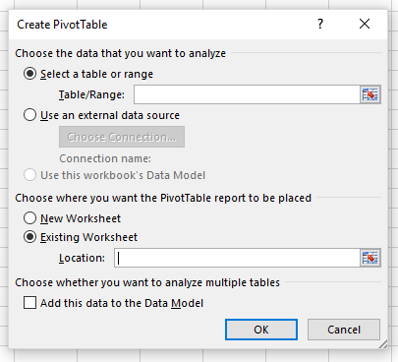
Region | Year | TotalSales($) | YOY%Change | Region | Year | Frequency | YOY Count Trans.Change
CA | 2021 | 197,175.25 |  | CA | 2021 | 93
 | 2022 | 270,049.20 | 36.96% |  | 2022 | 111 | 19.35%
 | 2023 | 301,886.20 | 11.79% |  | 2023 | 99 | -10.81%
 | 2024 | 339,533.50 | 12.47% |  | 2024 | 137 | 38.38%
WA | 2021 | 207,339.95 |  | WA | 2021 | 96
 | 2022 | 216,128.10 | 4.24% |  | 2022 | 103 | 7.29%
 | 2023 | 278,561.10 | 28.89% |  | 2023 | 104 | 0.97%
 | 2024 | 266,148.75 | -4.46% |  | 2024 | 115 | 10.58%
Grand Total |  | 2,076,822.05 |  | Grand Total |  | 858

